Instructions
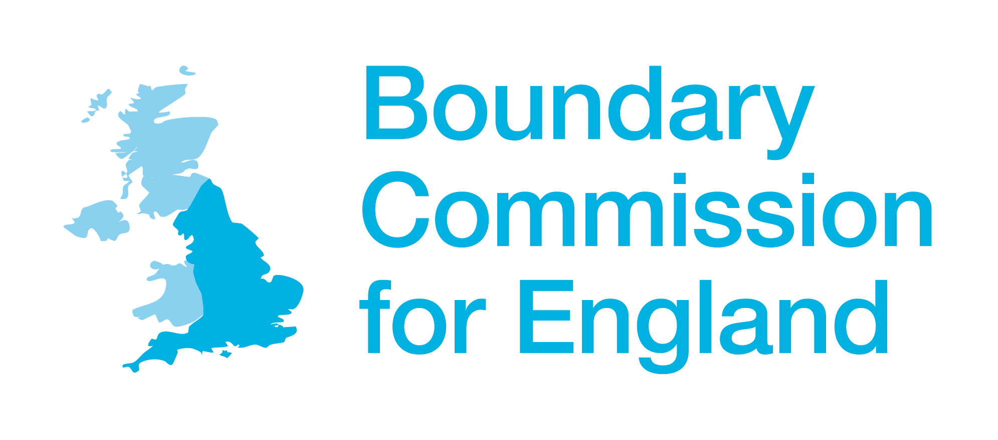
Boundary Commission for England Final Recommendations - facts and figures

 | Tab | Information

 | Region totals | This tab shows the overall scale of change from the existing pattern of constituencies and the revised proposals published last year. It shows, for example, that our Final Recommendations retain 10% of the existing constituencies (cell B14); and make changes to 16% of the revised proposals we published in November 2022 (I14).
 | Regional tabs: East Midlands - Yorkshire & Humber | Each tab contains a list of all Final Recommended constituencies, and marks whether those constituencies are unchanged from the existing constituencies (column C), and the level of change from the revised proposals (column D)
 | Existing constituencies | Contains a list of the existing constituencies and their electorates, by region
 | Initial proposals | Contains a list of initial proposals that we published in June 2021 and their electorates, by region
 | Revised proposals | Contains a list of revised proposals that we published in November 2022 and their electorates, by region
 | Consultation responses | The number of written and oral representations we received to each of the three public consultations, by region

